Activity pattern
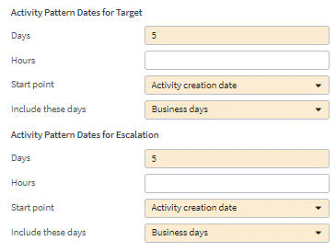
New Activity Pattern details
Generation trigger | If account and or policy is closed and unapplied funds > 0 for policy or account then create activity
Subject | Outstanding unapplied fund on closed account or policy <Policy/Account #> please review.
Type | General
Code | TBD by dev
Priority | Normal
Mandatory | Yes
Description | Please review unapplied funds for this particular policy/account as the policy period and/or account is closed
Queue | Account Receivable

Typelists
User Story Card - Typelists
Track any new typelists and the associated typecodes included in the user story
Instructions: Complete this detail for any fields in the UI Fields tab that have Typelists.
For modified Typelists make sure to validate the full list of values in the Data Dictionary
*The order of column G - "Typelist Values", is the order the Typelist needs to display on the UI
Functional Details
Not Applicable
Req # | Release | JIRA # | New, Modified | Name of Typelist | Typelist Values (Display name and Order) | Typelist Description | HIDE from UI | Notes/Comments | Conditions | LOB

Integrations
User Story Card - Integration Reference
Track any integration related to this story
Instructions: Capture integration description and links to the High-Level Design document

Integration Reference
Name of Integration | Description | High level Details | Link to Document
Not Applicable

